Sheet1
WED 23 MAR 17
 |  |  |  |  |  | A) | FIRST 3 IMM FUTURES + ALL AVAILABLE SWAPs | B) | FIRST 3 IMM FUTURES + ALL AVAILABLE SWAPs (AS IS) | C) | FIRST 4 IMM FUTUREs + SWAP 2Y AND SWAP 3Y (TO BE 1) | D) | FIRST 8 IMM FUTURES WITH NO SWAPs INCLUDED (TO BE 2)
 |  |  |  |  |  |  | WITHOUT INCLUDING REUTERS CONV.ADJ and FIRST FIXING in BASIS EXTRAP. |  | INCLUDING REUTERS CONV.ADJ and FIRST FIXING in BASIS EXTRAP. |  | INCLUDING REUTERS CONV.ADJ and FIRST FIXING in BASIS EXTRAP. |  | INCLUDING REUTERS CONV.ADJ and FIRST FIXING in BASIS EXTRAP.

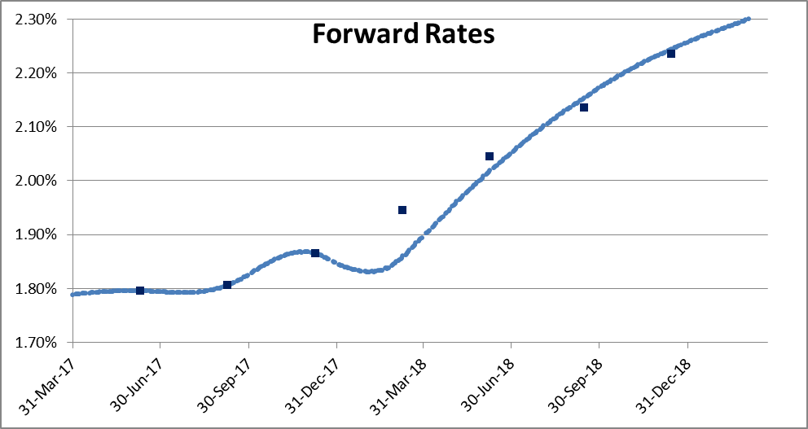

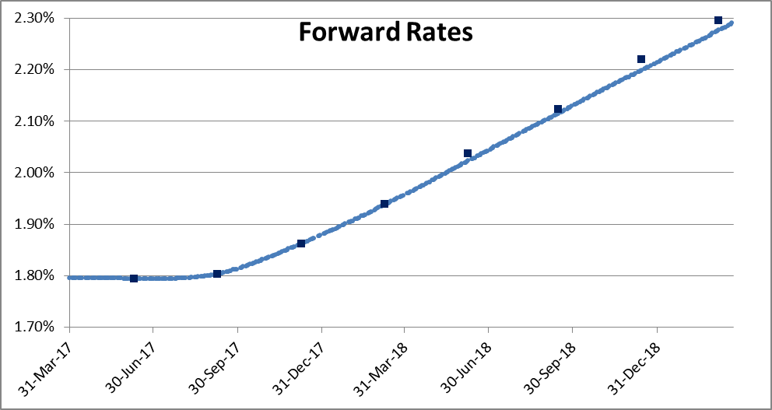
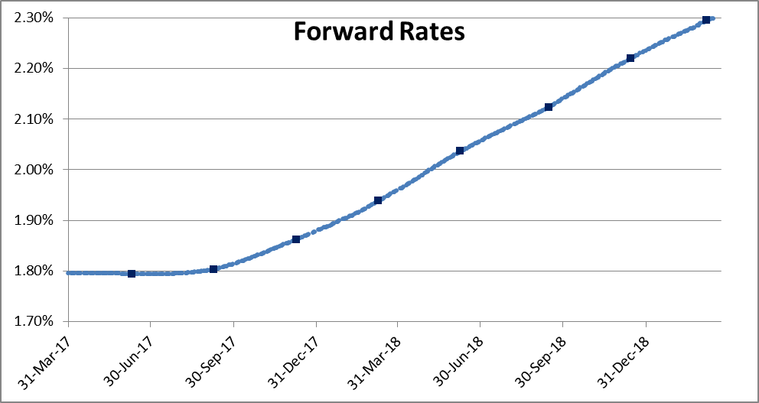
 |  | REPRICINGs (BPS)
 |  | A) 3 FUT + 3 SW | B) 3 FUT + 3 SW | C) 4 FUT + 2 SW | D) 8 FUT + 0 SW
INSTRUMUENTs |  | N0 CONV NO FIX | CONV AND FIX | CONV AND FIX | CONV AND FIX
FUT | H7 | 0.00 | 0.00 | 0.00 | 0.00
FUT | M7 | 0.00 | 0.00 | 0.00 | 0.00
FUT | U7 | 0.00 | 0.00 | 0.00 | 0.00
FUT | Z7 | -8.47 | -8.46 | 0.00 | 0.00
FUT | H8 | -2.62 | -1.82 | -1.29 | 0.00
FUT | M8 | 1.79 | 3.22 | -0.86 | 0.00
FUT | U8 | 0.86 | 2.71 | -2.10 | 0.00
FUT | Z8 | -1.19 | 0.96 | -1.74 | 0.00
SW | 1Y | 0.00 | 0.00 | 0.58 | 0.56
SW | 2Y | 0.00 | 0.00 | 0.00 | 0.56
SW | 3Y | 0.00 | 0.00 | 0.00 | 0.57

FRI, 25 MAR 17
 |  |  |  |  |  | A) | FIRST 3 IMM FUTURES + ALL AVAILABLE SWAPs | B) | FIRST 3 IMM FUTURES + ALL AVAILABLE SWAPs (AS IS) | C) | FIRST 4 IMM FUTUREs + SWAP 2Y AND SWAP 3Y (TO BE 1) | D) | FIRST 8 IMM FUTURES WITH NO SWAPs INCLUDED (TO BE 2)
 |  |  |  |  |  |  | WITHOUT INCLUDING REUTERS CONV.ADJ and FIRST FIXING in BASIS EXTRAP. |  | INCLUDING REUTERS CONV.ADJ and FIRST FIXING in BASIS EXTRAP. |  | INCLUDING REUTERS CONV.ADJ and FIRST FIXING in BASIS EXTRAP. |  | INCLUDING REUTERS CONV.ADJ and FIRST FIXING in BASIS EXTRAP.

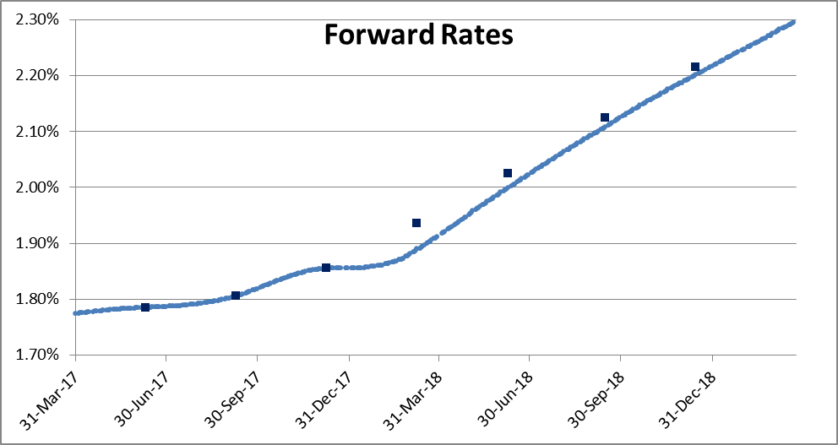
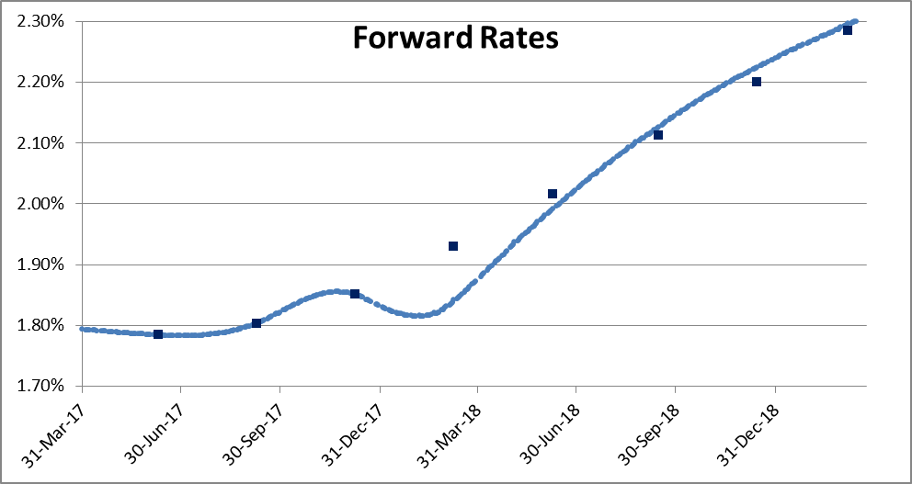
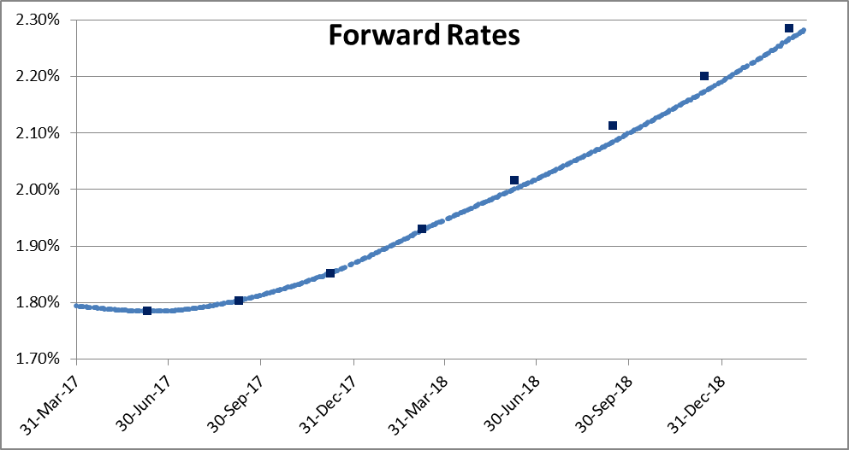
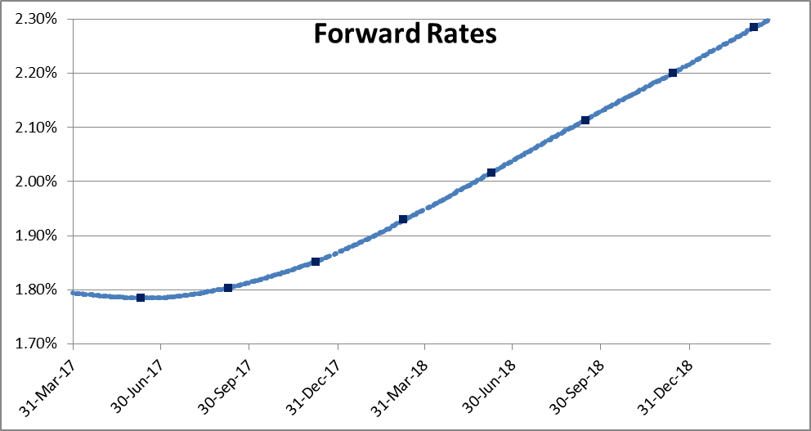
 |  | REPRICINGs (BPS)
 |  | A) 3 FUT + 3 SW | B) 3 FUT + 3 SW | C) 4 FUT + 2 SW | D) 8 FUT + 0 SW
INSTRUMUENTs |  | N0 CONV NO FIX | CONV AND FIX | CONV AND FIX | CONV AND FIX
FUT | H7 | 0.00 | 0.00 | 0.00 | 0.00
FUT | M7 | 0.00 | 0.00 | 0.00 | 0.00
FUT | U7 | 0.00 | 0.00 | 0.00 | 0.00
FUT | Z7 | -4.54 | -8.73 | 0.00 | 0.00
FUT | H8 | -2.58 | -2.42 | -1.56 | 0.00
FUT | M8 | -1.73 | 1.28 | -2.95 | 0.00
FUT | U8 | -1.42 | 2.47 | -2.67 | 0.00
FUT | Z8 | -2.22 | 1.10 | -1.85 | 0.00
SW | 1Y | 0.00 | 0.00 | 0.59 | 0.58
SW | 2Y | 0.00 | 0.00 | 0.00 | 0.94
SW | 3Y | 0.00 | 0.00 | 0.00 | 0.37

MON, 27 MAR 17
 |  |  |  |  |  | A) | FIRST 3 IMM FUTURES + ALL AVAILABLE SWAPs | B) | FIRST 3 IMM FUTURES + ALL AVAILABLE SWAPs (AS IS) | C) | FIRST 4 IMM FUTUREs + SWAP 2Y AND SWAP 3Y (TO BE 1) | D) | FIRST 8 IMM FUTURES WITH NO SWAPs INCLUDED (TO BE 2)
 |  |  |  |  |  |  | WITHOUT INCLUDING REUTERS CONV.ADJ and FIRST FIXING in BASIS EXTRAP. |  | INCLUDING REUTERS CONV.ADJ and FIRST FIXING in BASIS EXTRAP. |  | INCLUDING REUTERS CONV.ADJ and FIRST FIXING in BASIS EXTRAP. |  | INCLUDING REUTERS CONV.ADJ and FIRST FIXING in BASIS EXTRAP.

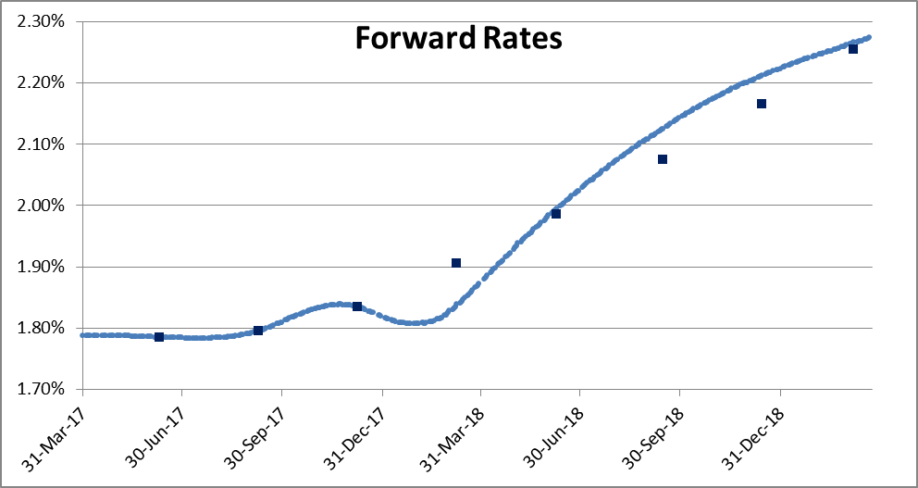
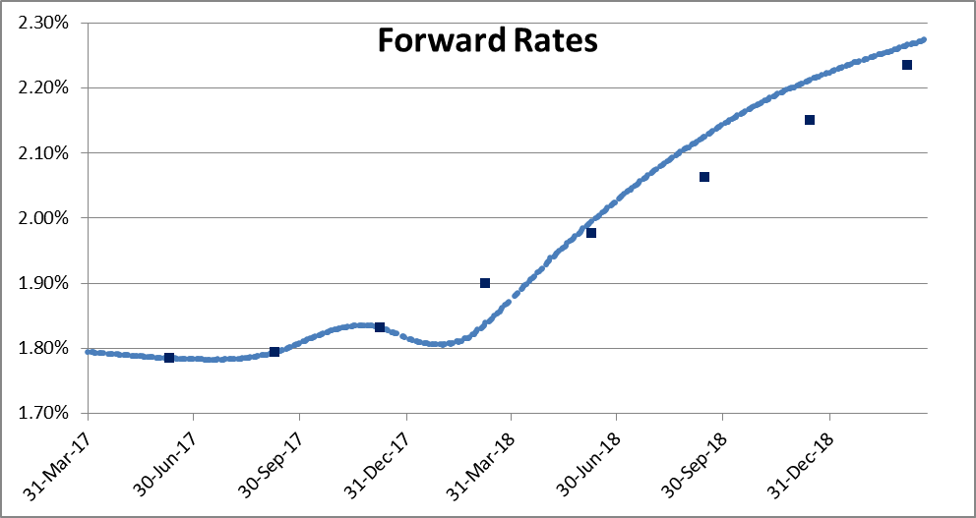
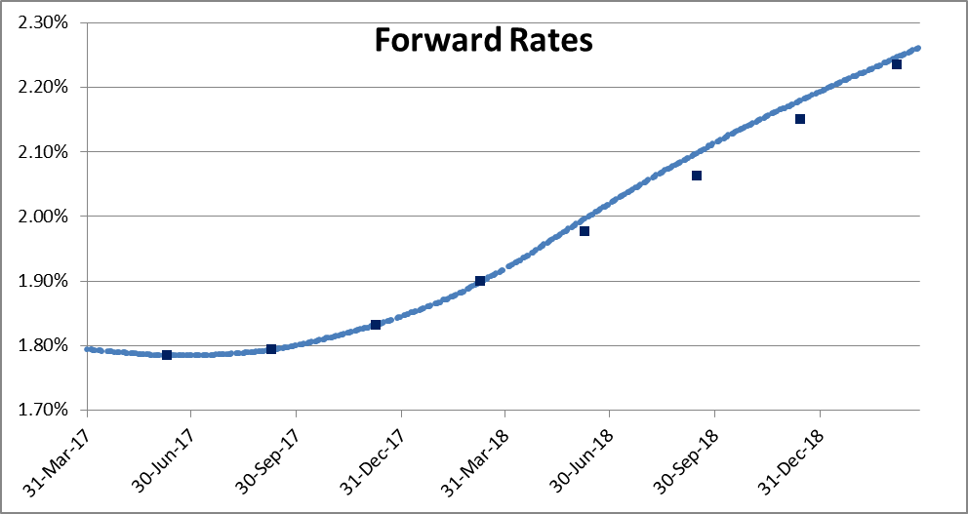
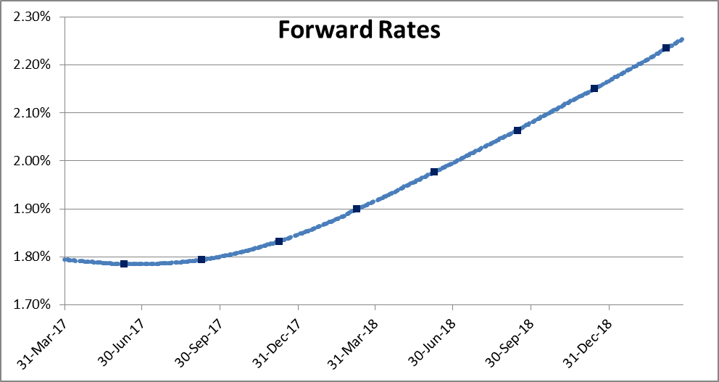
 |  | REPRICINGs (BPS)
 |  | A) 3 FUT + 3 SW | B) 3 FUT + 3 SW | C) 4 FUT + 2 SW | D) 8 FUT + 0 SW
INSTRUMUENTs |  | N0 CONV NO FIX | CONV AND FIX | CONV AND FIX | CONV AND FIX
FUT | H7 | 0.00 | 0.00 | 0.00 | 0.00
FUT | M7 | 0.00 | 0.00 | 0.00 | 0.00
FUT | U7 | 0.00 | 0.00 | 0.00 | 0.00
FUT | Z7 | -6.60 | -6.04 | 0.00 | 0.00
FUT | H8 | 0.95 | 1.82 | 1.99 | 0.00
FUT | M8 | 5.00 | 6.20 | 3.40 | 0.00
FUT | U8 | 4.65 | 6.22 | 2.95 | 0.00
FUT | Z8 | 1.10 | 3.08 | 1.19 | 0.00
SW | 1Y | 0.00 | 0.00 | 0.49 | 0.51
SW | 2Y | 0.00 | 0.00 | 0.00 | -1.08
SW | 3Y | 0.00 | 0.00 | 0.00 | -0.37

